Sheet1
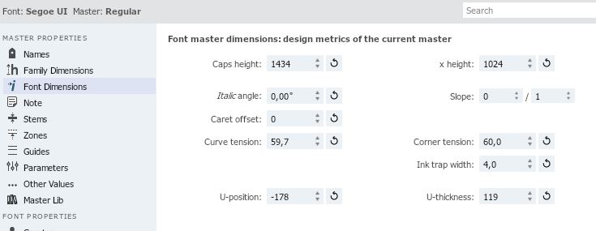
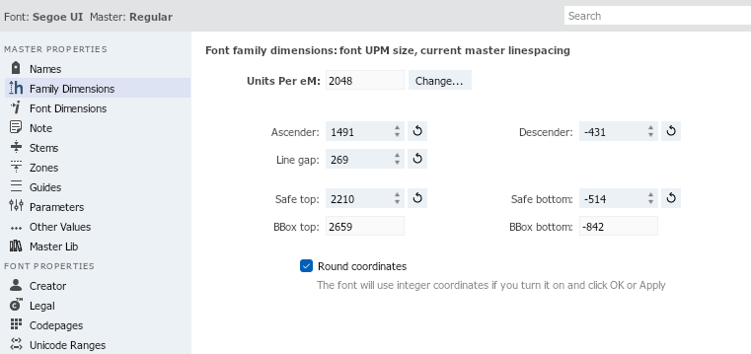
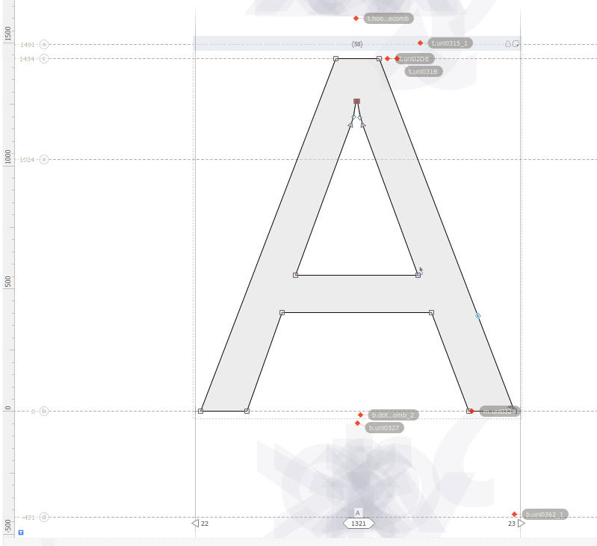
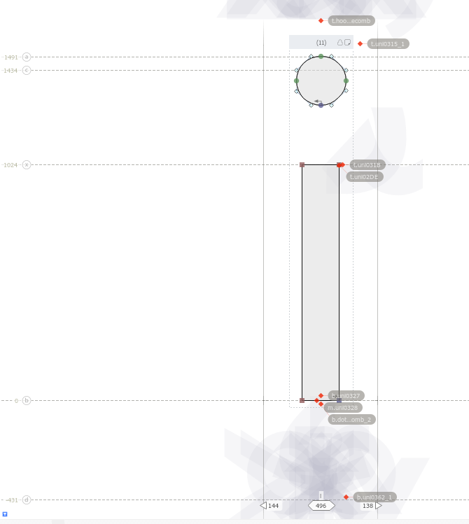
 | Segoe UI |  |  |  | Poppins
 | Standard | Bold | Italic | Bold Italic | Standard | Bold | Italic | Bold Italic
Units per eM | 2048 |  |  |  | 1000
Weight class | Regular 400
Width class | Normal
Slope class | Plain
Ascender (a) | 1491 | 1491 | 1491
Descender (d) | -431 | -431 | -431
Line gap | 269 | 269 | 269
Safe top | 2210 | 2210 | 2210
Safe bottom | -514 | -514 | -514
Bbox top | 2659 | 2659 | 2659
Bbox bottom | -842 | -882 | -541
Caps Height (c) | 1434 | 1434 | 1434
x height (x) | 1024 | 1024 | 124
Italic angle | 0 | 0 | 12
Curve tension | 59.7 | 58.9

